Invoice
 | Lizpa Landscaping, Inc.

 | Bill To: | Enclave C/O Sentry Management Inc. | Phone: | 407-788-6700 ext 51209 | Invoice #: | 1806
 | Address: | 2180 W. State Rd. 434 Suite 5000 Longwood, FL 32779 | Fax: | 407-788-7488
 | Service Address: | Enclave 1397 Benevolent St. Maitland, FL 32751 | Email: | mpogue@sentrymgt.com | Invoice Date: | 2025-12-28

 | Qty | Description |  |  |  | Price

 |  | Timer replacement, parts and labor included |  |  | $250.00 | $1,735.00
 |  | Parts for inspection repairs |  |  | $235.00
 |  | Hours of labor for tech for inspection and repairs |  |  | $600.00
 |  | Parts and labor for broken pipes and reinstalled bubblers on Caring Ct |  |  | $150.00
 |  | Zone 18- Added a rotor for coverage of large dry spot behind mail station, added a |  |  | $200.00
 |  | bubbler for new palm behind mail station. Approved by Mr Charlie, parts & labor incl
 |  | Hours of labor for running system zone by zone, combining zones and adjusting |  |  | $300.00
 |  | pressure to prevent pump cycling
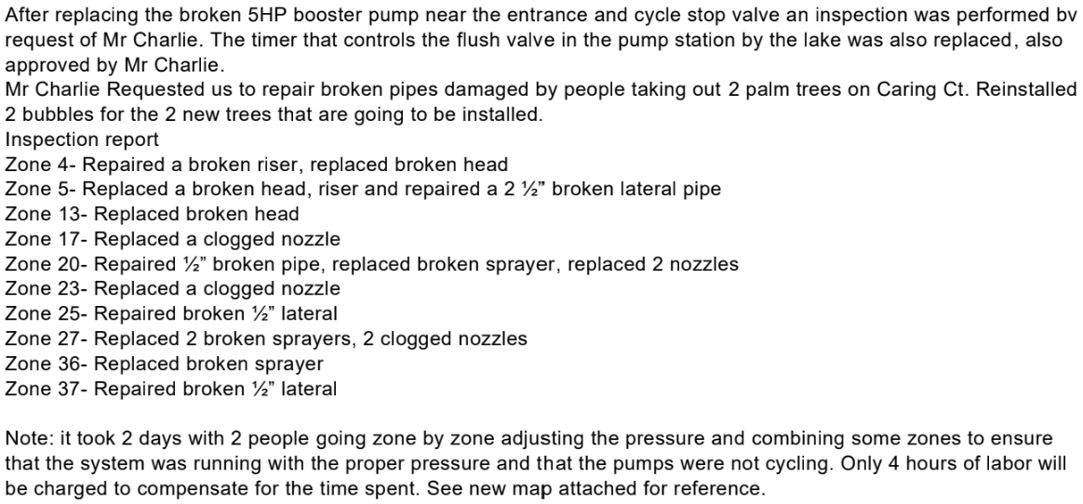

 | Make all checks payable to Lizpa Landscaping, Inc.
 | Thank you for your business!! |  |  |  | TOTAL | $1,735.00

